Binomial Distribution
Binomial Distribution PDF/CDF
Trials Failed | Trials Passed | Success % | CDF | Expected Value

0 | 10 | 0.002% | 0.00 | 0.078416844046
1 | 9 | 0.015% | 0.00 |  | 0.33 | 0.33
2 | 8 | 0.069% | 0.00
3 | 7 | 0.184% | 0.00
4 | 6 | 0.322% | 0.01
5 | 5 | 0.386% | 0.01
6 | 4 | 0.322% | 0.01
7 | 3 | 0.184% | 0.01
8 | 2 | 0.069% | 0.02
9 | 1 | 0.015% | 0.02
10 | 0 | 0.002% | 0.02

3.3 |  | 1.04

trial # |  | 10

Normal Distribution
 |  | Mean | Stdev | Scope
 |  | 0 | 1 | 4
0% | -4.00
0% | -3.94
0% | -3.88
0% | -3.81
0% | -3.75
0% | -3.69
0% | -3.63
0% | -3.56
0% | -3.50
0% | -3.44
0% | -3.38
0% | -3.31
0% | -3.25
0% | -3.19
0% | -3.13
0% | -3.06
0% | -3.00
1% | -2.94
1% | -2.88
1% | -2.81
1% | -2.75
1% | -2.69
1% | -2.63
1% | -2.56
2% | -2.50
2% | -2.44
2% | -2.38
3% | -2.31
3% | -2.25
4% | -2.19
4% | -2.13
5% | -2.06
5% | -2.00
6% | -1.94
7% | -1.88
8% | -1.81
9% | -1.75
10% | -1.69
11% | -1.63
12% | -1.56
13% | -1.50
14% | -1.44
16% | -1.38
17% | -1.31
18% | -1.25
20% | -1.19
21% | -1.13
23% | -1.06
24% | -1.00
26% | -0.94
27% | -0.88
29% | -0.81
30% | -0.75
31% | -0.69
33% | -0.63
34% | -0.56
35% | -0.50
36% | -0.44
37% | -0.38
38% | -0.31
39% | -0.25
39% | -0.19
40% | -0.13
40% | -0.06
40% | 0.00
40% | 0.06
40% | 0.13
39% | 0.19
39% | 0.25
38% | 0.31
37% | 0.38
36% | 0.44
35% | 0.50
34% | 0.56
33% | 0.63
31% | 0.69
30% | 0.75
29% | 0.81
27% | 0.88
26% | 0.94
24% | 1.00
23% | 1.06
21% | 1.13
20% | 1.19
18% | 1.25
17% | 1.31
16% | 1.38
14% | 1.44
13% | 1.50
12% | 1.56
11% | 1.63
10% | 1.69
9% | 1.75
8% | 1.81
7% | 1.88
6% | 1.94
5% | 2.00
5% | 2.06
4% | 2.13
4% | 2.19
3% | 2.25
3% | 2.31
2% | 2.38
2% | 2.44
2% | 2.50
1% | 2.56
1% | 2.63
1% | 2.69
1% | 2.75
1% | 2.81
1% | 2.88
1% | 2.94
0% | 3.00
0% | 3.06
0% | 3.13
0% | 3.19
0% | 3.25
0% | 3.31
0% | 3.38
0% | 3.44
0% | 3.50
0% | 3.56
0% | 3.63
0% | 3.69
0% | 3.75
0% | 3.81
0% | 3.88
0% | 3.94
0% | 4.00

Income Statement
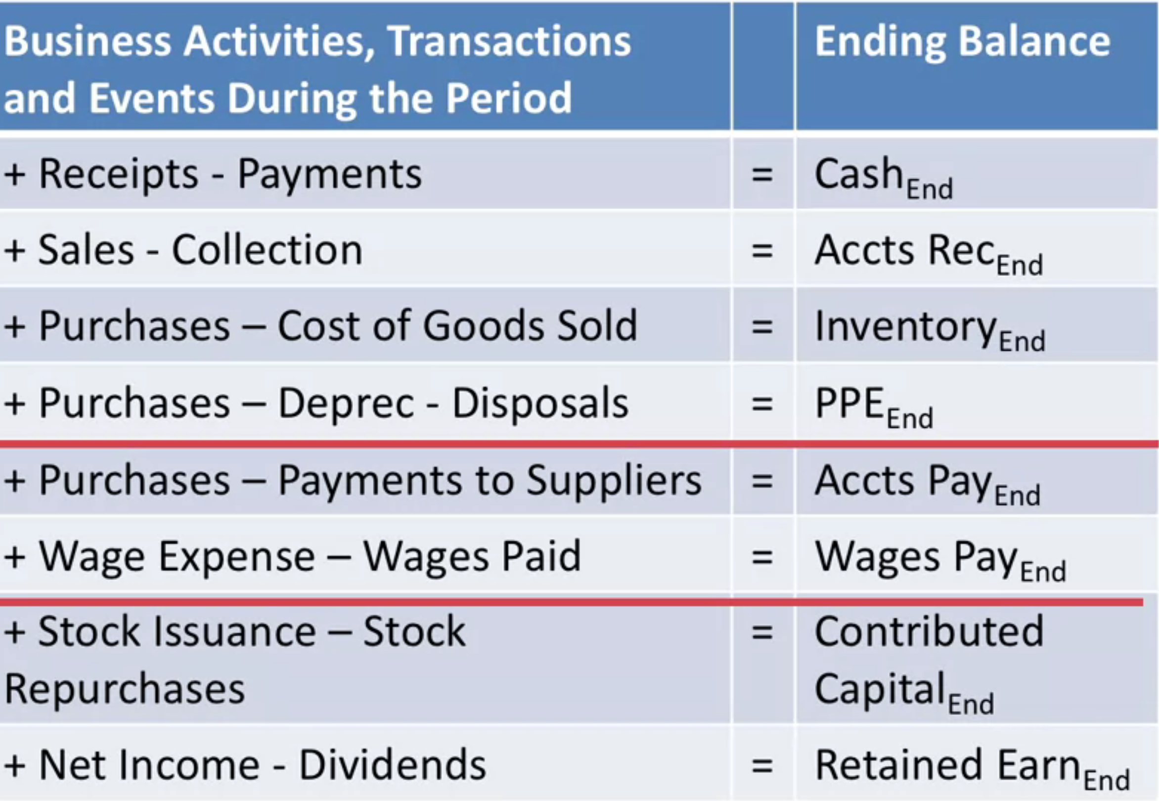

Cash |  | Amount of cash Earned
Accts Receivable |  | Money that people owe you
Inventory |  | Amount of goods storage
PPE |  | Property Plant and Equipment

Accts Payable |  | Money that you owe
Wages payable |  | Money you pay to employees

Contributed Capital |  | Owner's money that was invested
Retained earnings |  | Company's money that was reinvested

 | Revenue | 2,000

 | COGS | 800 | Gross Profit
 |  |  | 1200
 | Operating Expense | 200 | Operating income
 |  |  | 1000
 | Interest, Other Gains and Losses | 100 | Pre-Tax Income
 |  |  | 900
 | Income Tax Expenses | 0 | Net Income
 |  |  | 900

